2. Relative risk functions
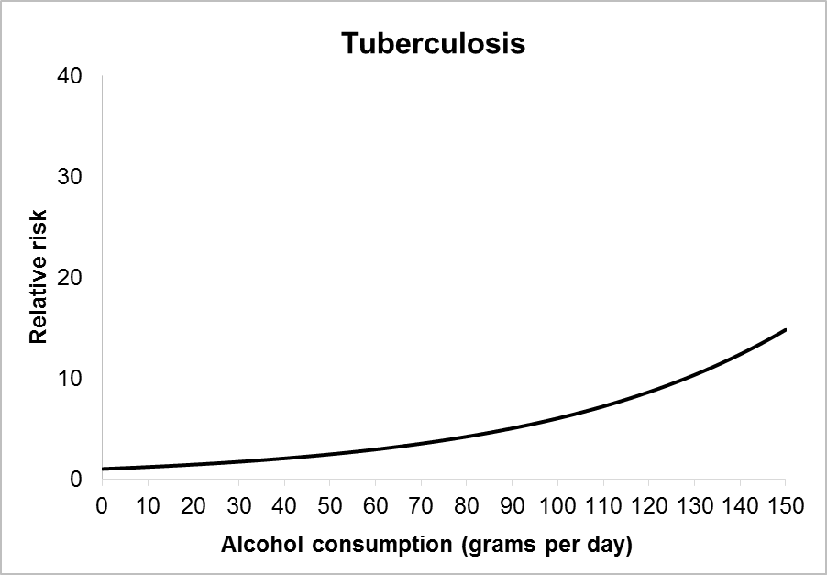
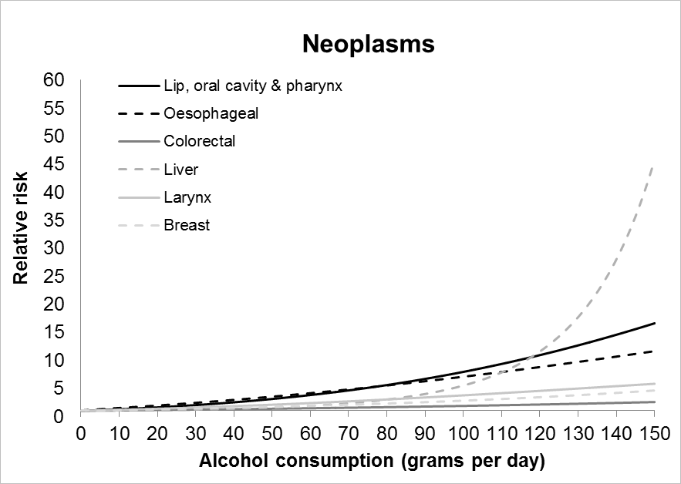
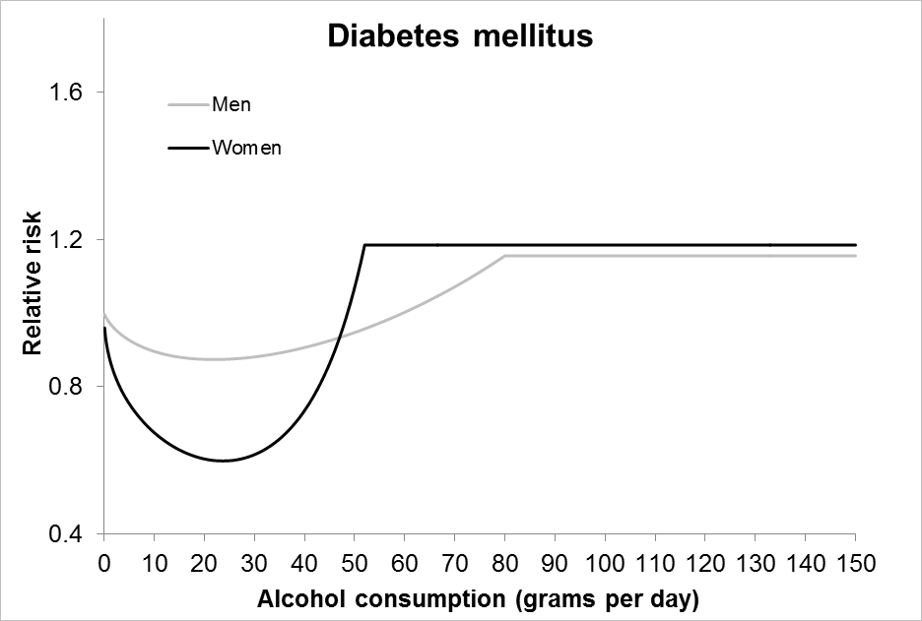
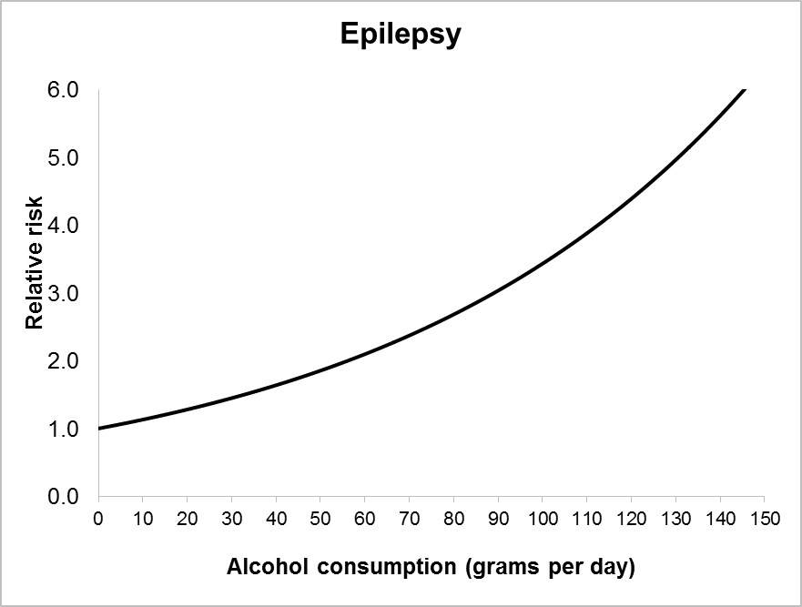
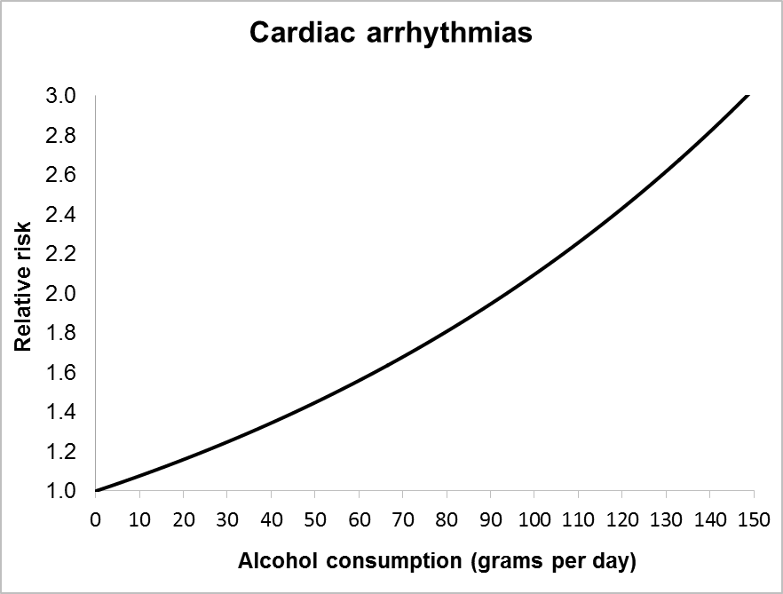
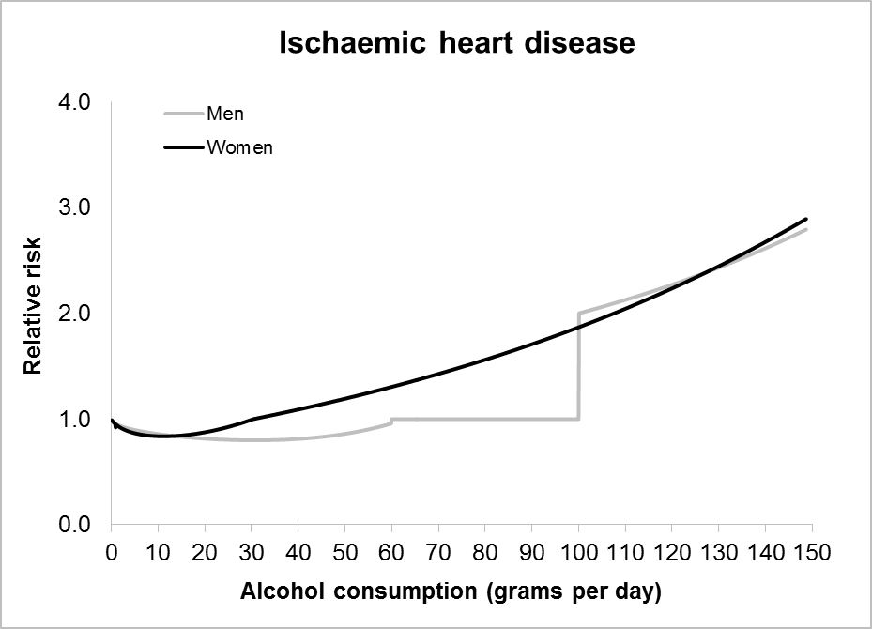
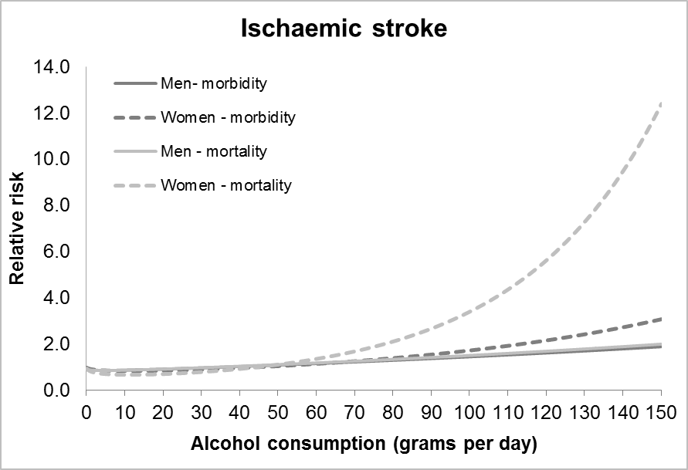
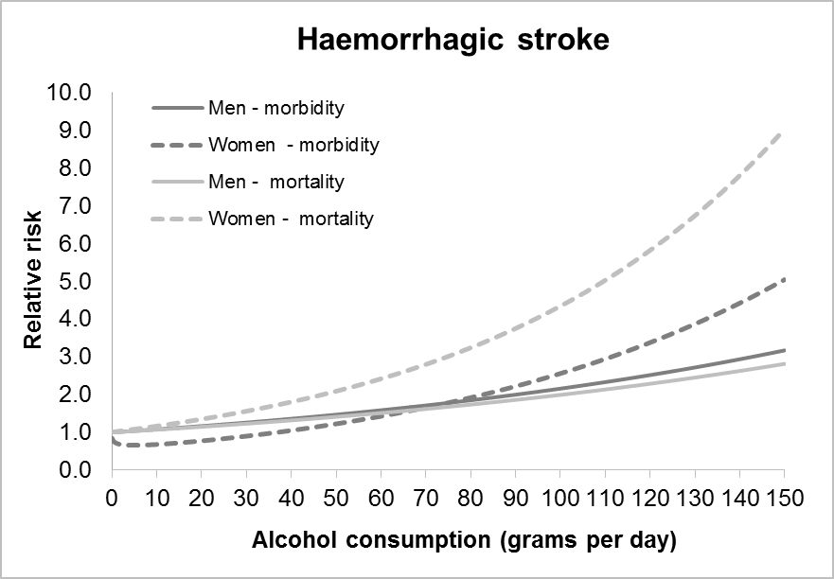
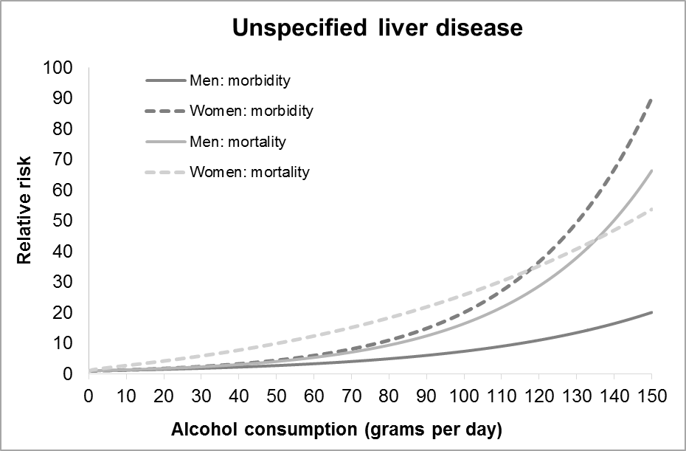
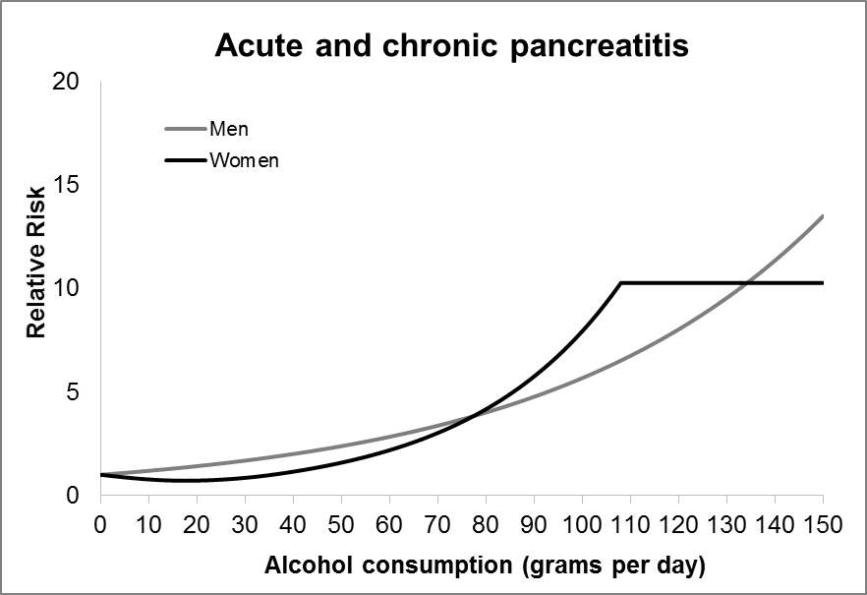
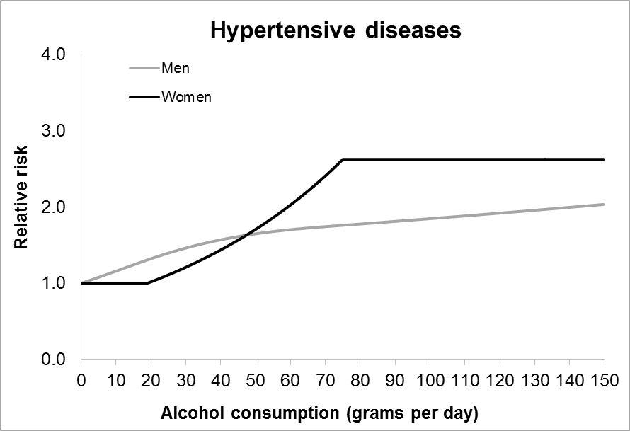
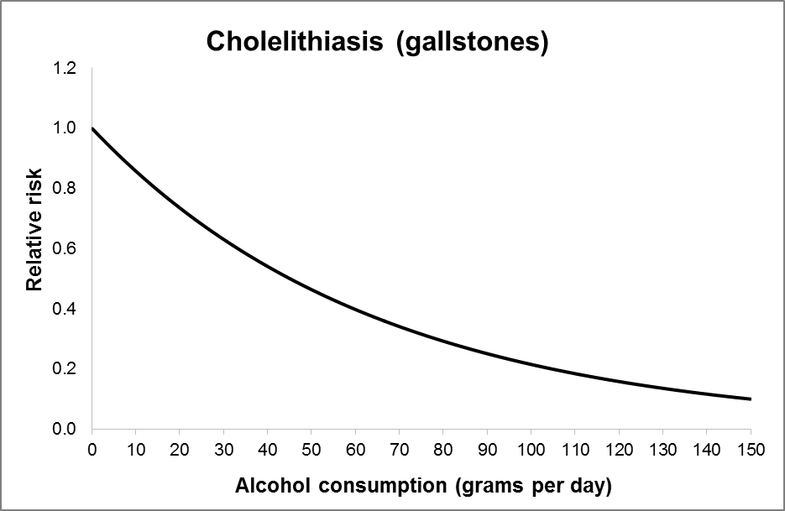
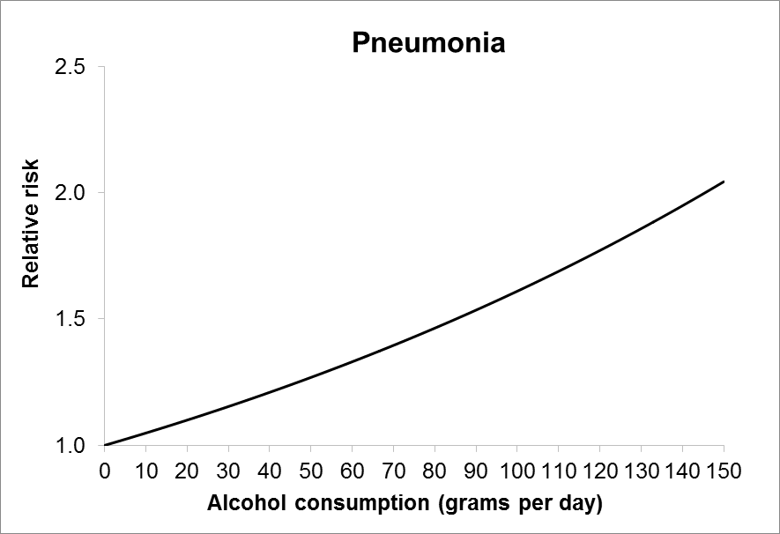
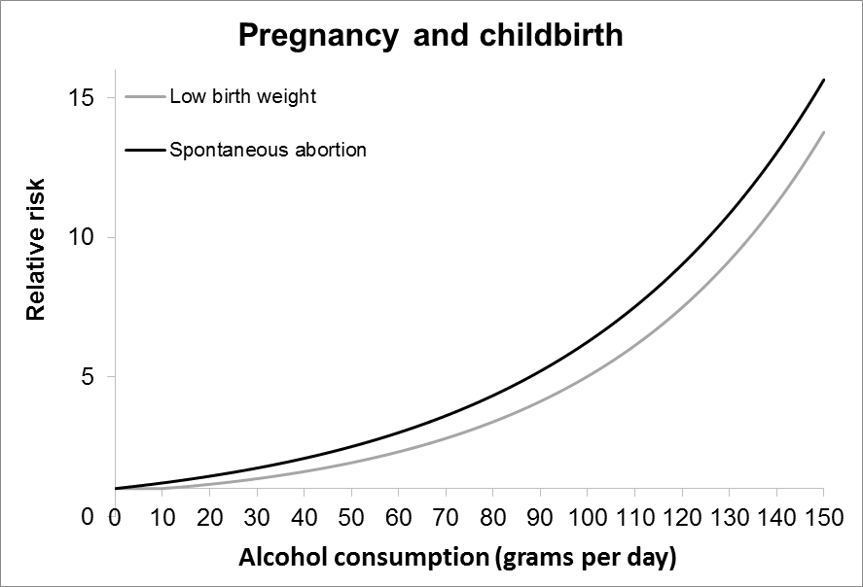
Relative Risk (RR) functions
The RR for developing a chronic health condition in relation to alcohol consumption was derived from the work of Jones and Bellis* who undertook a systematic review to establish
the RR functions for each partially attributable chronic health condition.
The authors acknowledged that the risk of developing a condition may be different to the risk of dying from the same condition. To account for this, separate RR functions for mortality
and morbidity were reported where possible i.e. for stroke and liver disease.

For the remaining health conditions the reported RR function was used as a composite risk estimate to calculate a single Alcohol Attributable Fraction for both mortality and morbidity
combined for each health outcome. All RR functions below are composite risk estimates with the exception of stroke and unspecified liver disease.

*Jones L, Bellis M. Updating England-specific alcohol-attributable fractions. Centre for Public Health Liverpool John Moores University 2014.
URL: http://www.cph.org.uk/wp-content/uploads/2014/03/24892-ALCOHOL-FRACTIONS-REPORT-A4-singles-24.3.14.pdf

